Sheet2
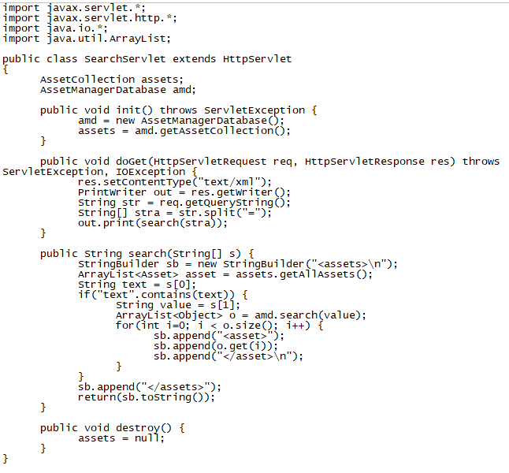
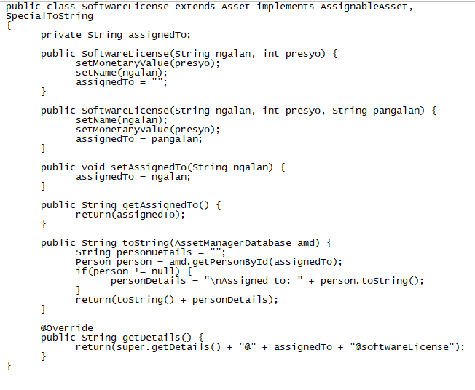
persons |  |  |  |  | Location (laundry branch) |  |  |  |  | Service info |  |  |  |  |  |  |  | ok |  |  |  |  | persons |  |  |  |  | Location (laundry branch) |  |  |  |  | Service info
customer # | firstname | lastname | address | laundry kilos | zip | street | brgy | branch(city) | # of units in branch | joborder(auto) | customer # | Service Date | branch(zip) | price | service details | delivery | status |  | Asset collection ++ |  |  |  | customer # | firstname | lastname | address | laundry kilos | zip | street | brgy | branch(city) | # of units in branch | joborder(auto) | customer # | Service Date | branch(zip) | price | service details | delivery | status
20180001 | Bloom | Maninang | Manila | 8 |  |  |  |  |  | auto |  |  |  |  |  |  |  |  | add assets servlet |  |  |  | 20180001 | Bloom | Maninang | Manila | 8 |  |  |  |  |  | auto
20180002 | Ody | Cat | Manila | 5 |  |  |  |  |  | auto |  |  |  |  |  |  |  |  | all assets servlet |  |  |  | 20180002 | Ody | Cat | Manila | 5 |  |  |  |  |  | auto
20180003 | Migo | Aquino | Antipolo | 10 |  |  |  |  |  | auto |  |  |  |  |  |  |  |  | all locations servlet |  |  |  | 20180003 | Migo | Aquino | Antipolo | 10 |  |  |  |  |  | auto
20180004 | Jack | Hoba | Makati | 15 |  |  |  |  |  | auto |  |  |  |  |  |  |  |  | asset | Service |  |  | 20180004 | Jack | Hoba | Makati | 15 |  |  |  |  |  | auto
20180005 | Andrei | Aquino | Makati | 7 |  |  |  |  |  | auto |  |  |  |  |  |  |  |  | assetcollection | ServiceCollection |  |  | 20180005 | Andrei | Aquino | Makati | 7 |  |  |  |  |  | auto
20180006 | Barbs | Barcenas | Netherlands | 6 |  |  |  |  |  | auto |  |  |  |  |  |  |  |  | assetmanagerdatabase |  |  |  | 20180006 | Barbs | Barcenas | Netherlands | 6 |  |  |  |  |  | auto
20180007 | Raphael | Barcenas | Dasmarinas | 8 |  |  |  |  |  | auto |  |  |  |  |  |  |  |  | assetwithlocation | servicewithlocation |  |  | 20180007 | Raphael | Barcenas | Dasmarinas | 8 |  |  |  |  |  | auto
 |  |  |  |  | 1940 | Tayuman | Brgy 93 | Manila | 5 | auto |  |  |  |  |  |  |  |  | assignableasset | servicewithcustomer |  |  |  |  |  |  |  | 1940 | Tayuman | Brgy 93 | Manila | 5 | auto
 |  |  |  |  | 1870 | Ortigas Extension | San Jose | Antipolo | 4 | auto |  |  |  |  |  |  |  |  | building | DryFold | DryFold | same |  |  |  |  |  | 1870 | Ortigas Extension | San Jose | Antipolo | 4 | auto
 |  |  |  |  | 1230 | Washington | Pio Del Pilar | Makati | 7 | auto |  |  |  |  |  |  |  |  | location | Location |  |  |  |  |  |  |  | 1230 | Washington | Pio Del Pilar | Makati | 7 | auto
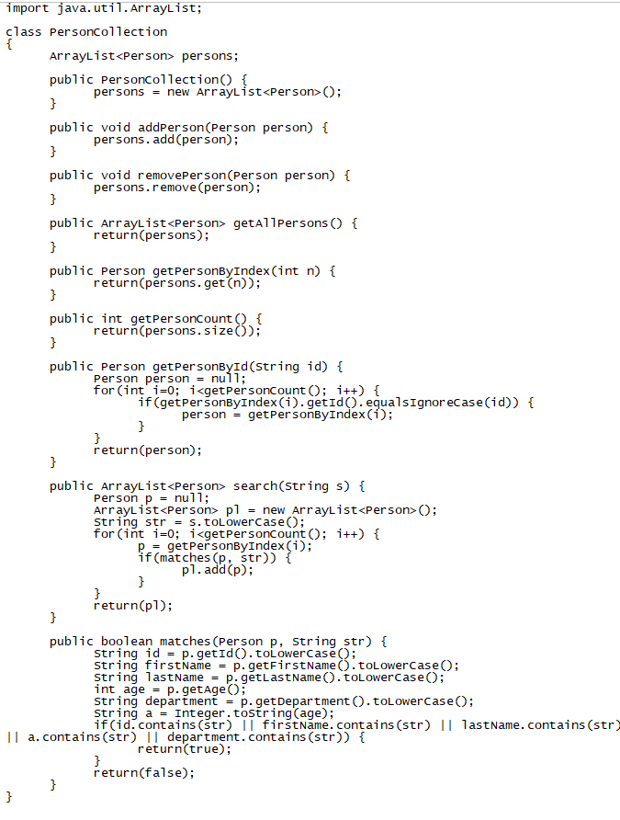
 |  |  |  |  |  |  |  |  |  | auto | 20180002 | 20180601 | 1940 | 70 | Dry+Fold | Delivery | NULL |  | locationcollection | LocationCollection |  |  |  |  |  |  |  |  |  |  |  |  | auto | 20180002 | 20180601 | 1940 | 70 | Dry+Fold | Delivery | NULL
 |  |  |  |  |  |  |  |  |  | auto | 20180004 | 20180602 | 1230 | 220 | Wash+Dry+Fold | Delivery | NULL |  | person | Customer |  |  |  |  |  |  |  |  |  |  |  |  | auto | 20180004 | 20180602 | 1230 | 220 | Wash+Dry+Fold | Delivery | NULL
 |  |  |  |  |  |  |  |  |  | auto | 20180005 | 20180603 | 1230 | 100 | Wash+Dry | Delivery | NULL |  | personcollection | CustomerCollection |  |  |  |  |  |  |  |  |  |  |  |  | auto | 20180005 | 20180603 | 1230 | 100 | Wash+Dry | Delivery | NULL
 |  |  |  |  |  |  |  |  |  | auto | 20180001 | 20180601 | 1940 | 100 | Wash+Dry | NULL | Claimed |  | search servlet |  |  |  |  |  |  |  |  |  |  |  |  |  | auto | 20180001 | 20180601 | 1940 | 100 | Wash+Dry | NULL | Claimed
 |  |  |  |  |  |  |  |  |  | auto | 20180003 | 20180602 | 1870 | 100 | Wash+Dry | NULL | Claimed |  | software license | WashDry | WashDry | same |  |  |  |  |  |  |  |  |  |  | auto | 20180003 | 20180602 | 1870 | 100 | Wash+Dry | NULL | Claimed
 |  |  |  |  |  |  |  |  |  | auto | 20180006 | 20180604 | 1940 | 120 | Wash+Dry+Fold | NULL | Claimed |  | special to string | SpecialToString |  |  |  |  |  |  |  |  |  |  |  |  | auto | 20180006 | 20180604 | 1940 | 120 | Wash+Dry+Fold | NULL | Claimed
 |  |  |  |  |  |  |  |  |  | auto | 20180007 | 20180604 | 1230 | 120 | Wash+Dry+fold | NULL | Claimed |  | table | WashDryFold | WashDryFold | same |  |  |  |  |  |  |  |  |  |  | auto | 20180007 | 20180604 | 1230 | 120 | Wash+Dry+fold | NULL | Claimed
 |  |  |  |  |  |  |  |  |  |  |  |  |  |  |  |  |  |  | ok
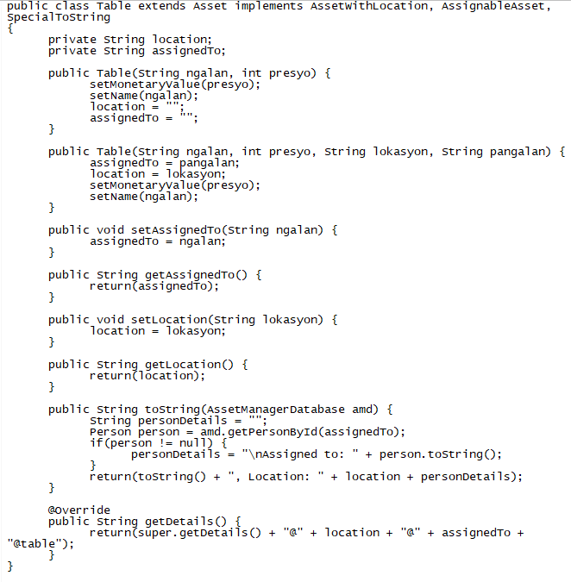
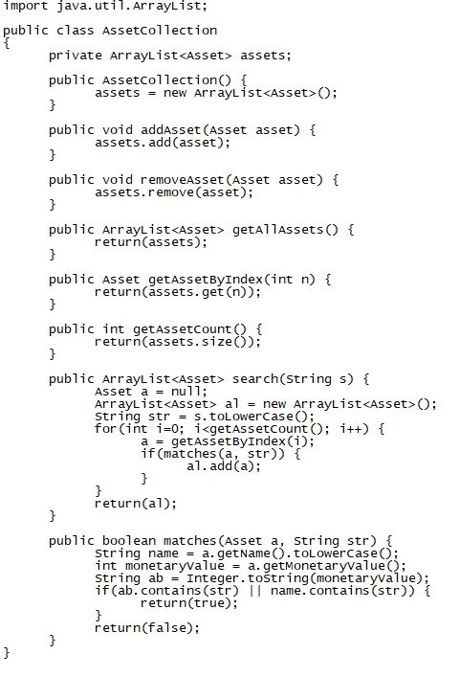
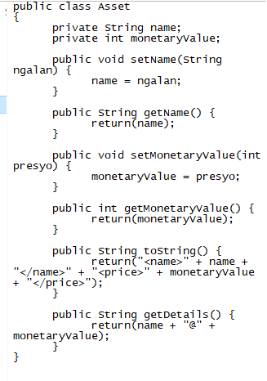

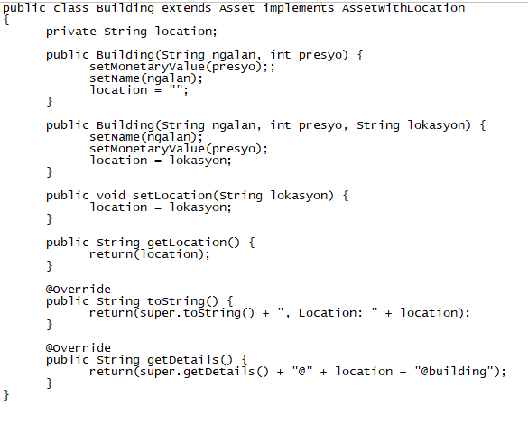

 |  |  |  |  |  |  |  |  |  |  |  | inc

 |  |  |  |  |  |  |  |  |  |  |  |  |  |  |  |  |  |  |  |  |  |  |  |  |  |  |  |  |  |  |  |  |  |  |  |  |  | rer

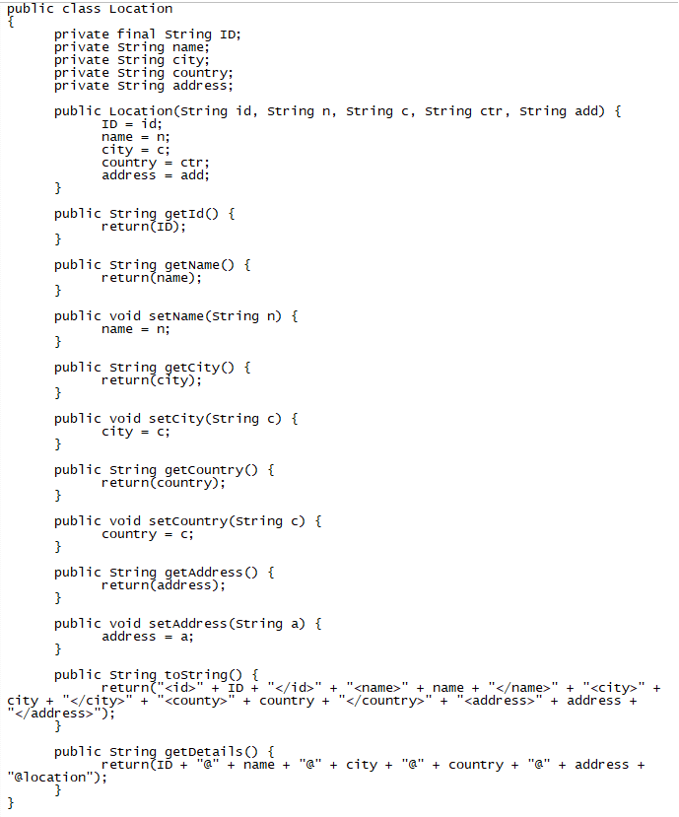
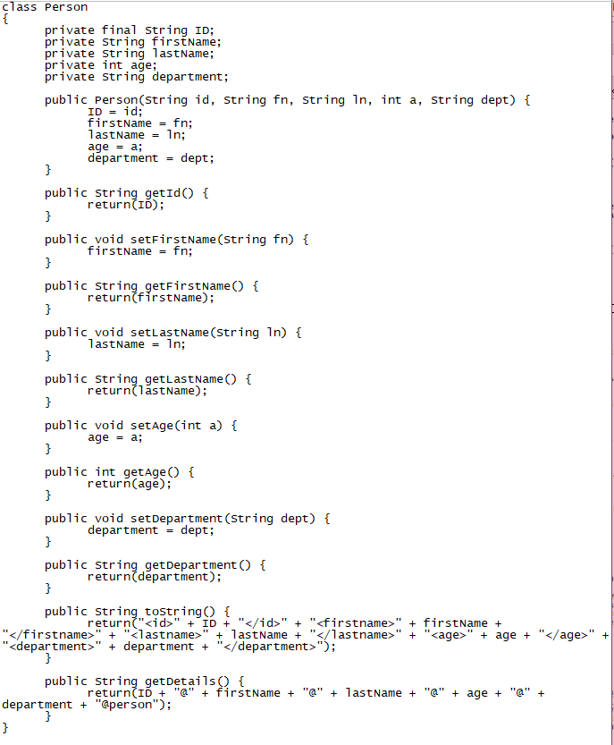
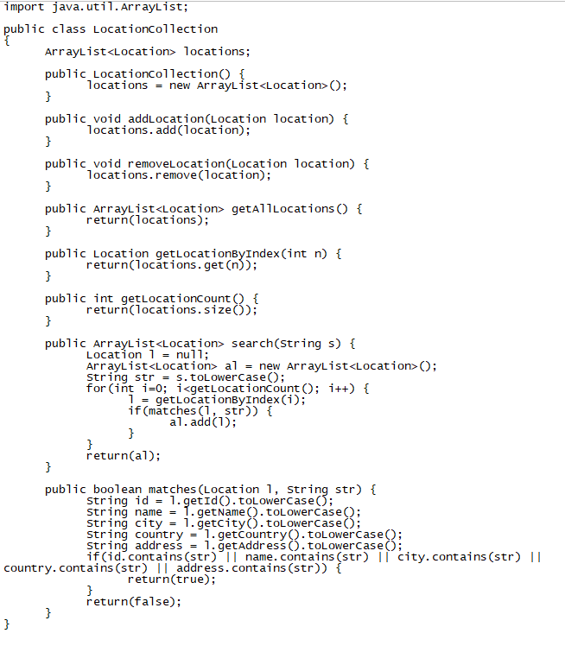
 |  |  |  |  |  |  |  |  |  |  |  | ok

ServiceMangerDatabase
